Sheet1
Density = 0.2
Period | Area (Core) μm^2 | Slack | Power | Violations | Density | Instances: |  | Densities:
5 | 233921.73 | 0.099 | 8.371 | No | 15.08% | 117354
6.67 | 233921.73 | No |  | No | 15.08% |  |  | 0.2
8 | 233921.73 | No |  | No | 15.08% | 115949 |  | 0.3
10 | 233921.73 | No |  | No | 15.08% | 116931 |  | 0.4
12.5 | 233921.73 | 4.908 |  | No | 15.08% | 116931 |  | 0.5
Density = 0.3 |  |  |  |  |  |  |  | 0.6
Period | Area | Slack | Power | Violations | Density | Instances: |  | 0.65
5
6.67 | 155949.948 | 0.328 |  | No | 21.61% | 98106 |  | 0.7
8 | 155949.948 | 0.678 |  | No | 22.61% | 97813 |  | 0.75
10 | 155949.948 | 2.325 |  | No | 22.60% | 97709 |  | 0.8
12.5 | 155949.948 | 4.825 |  | No | 22.60% | 97709
Density = 0.4
Period | Area | Slack | Power | Violations | Density | Instances:
5
6.67 | 116957.008 | 0.38 |  | No | 30.14% | 107039
8 | 116957.008 | 1.187 |  | No | 30.14% | 108795
10 | 116957.008 | 2.972 |  | No | 30.14% | 108796
12.5 | 116957.008 | 5.472 |  | No | 30.14% | 108796
Density = 0.5
Period | Area | Slack | Power | Violations | Density | Instances:
5 | 93592.632 | 0.078 | 7.624 | No | 37.64% | 80998
6.67 | 93592.632 | 0.585 |  | No | 37.64% | 83554
8 | 93592.632 | 1.079 |  | No | 37.64% | 84410
10 | 93592.632 | 2.973 |  | No | 37.64% | 84412
12.5 | 93592.632 | 5.473 |  | No | 37.64% | 84412
Density = 0.7
Period | Area | Slack | Power | Violations | Density | Instances:
5 | 66857.504 | 0.119 |  | No | 57.98% | 78251
6.67 | 66857.504 | 0.77 |  | No | 52.67% | 77515
8 | 66857.504 | 1.212 |  | No | 52.67% | 77972
Slack (ns) vs. Frequency (MHz)
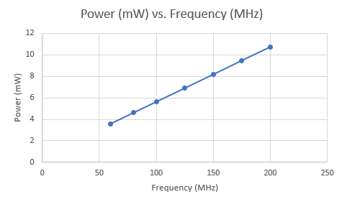
10 | 66857.504 | 2.797 |  | No | 52.66% | 77983
12.5 | 66857.504 | 5.297 |  | No | 52.66% | 77983
Density = 0.8
Period | Area | Slack | Power | Violations | Density | Instances:
5 | 58471.056 | 0.136 | 7.066 | No | 60.33% | 74970
Density = 0.9
Period | Area | Slack | Power (mW) | Violations | Density | Instances: | Frequency
5 | 52012.044 | 0.122 | 10.74 | Yes (DRC) | 67.66% | 70004 | 200.00
5.7 | 52012.044 | 0.281 | 9.476 | Yes (DRC) | 67.61% | 69964 | 175
6.67 | 52012.044 | 0.518 | 8.177 | Yes (DRC) | 67.59% | 71484 | 150
8 | 52012.044 | 1.324 | 6.902 | No | 67.58% | 70350 | 125
10 | 52012.044 | 3.353 | 5.627 | No | 67.58% | 70256 | 100
12.5 | 52012.044 | 5.813 | 4.607 | Yes (DRC) | 67.58% | 70068 | 80
16.67 | 52012.044 | 9.984 | 3.587 | Yes (DRC) | 67.59% | 70068 | 60
Density = 0.92
Period | Area | Slack | Power | Violations | Density | Instances:
6.67 | 50877.288 | 0.979 |  | No | 69.11% | 69496
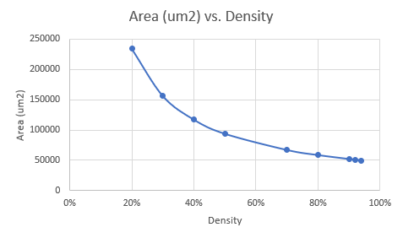
8 | 50877.288 | 1.539 |  | Yes (DRC) | 69.09% | 70379
10 | 50877.288 | 3.545 |  | No | 69.08% | 69327
12.5 | 50877.288 | 6.033 |  | Yes (DRC) | 69.09% | 69388
Density = 0.94
Period | Area | Slack | Power | Violations | Density | Instances:
6.67 | 49780.038 | 0.414 |  | Yes (DRC) | 70.63% | 69889
8 | 49780.038 | 0.981 |  | Yes (DRC) | 70.63% | 69468
10 | 49780.038 | 2.914 |  | Yes (DRC) | 70.62% | 69141
12.5 | 49780.038 | 2.914 |  | Yes (DRC) | 70.62% | 69141

